Sheet1
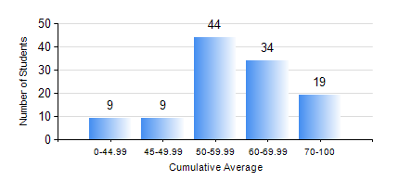
 |  |  | KWAME NKRUMAH UNIVERSITY OF SCIENCE AND TECHNOLOGY, KUMASI Department of Geomatic Engineering

 |  |  | BSC. GEOMATIC ENG.

 |  |  | COMPREHENSIVE RECORD OF EXAMINATION RESULTS

 |  |  | RESULTS OF YEAR 2 FIRST SEMESTER, 2023/2024 ACADEMIC YEAR

 | Sn | Course Code |  | Course Name | Credit Hours | Min. Mark | Max. Mark | Avg. Mark | Std. Dev. | No. Passed | No. Trailed | No. (Df) | No. (I) | No. (I*) | No. Tagged(I,I*,Df) | Total
 | 0. |  |  |  |  |  |  | 0 | 0 | 0 | 0 | 0 | 0 | 0 | 0 | 13
 | 1. | CENG 291 |  | ENGINEERING IN SOCIETY | 2 | 0 | 96 | 62 | 14.77 | 96 | 4 | 0 | 2 | 0 | 2 | 102
 | 2. | ENGL 263 |  | LITERATURE IN ENGLISH I | 1 | 0 | 85 | 64 | 11.68 | 100 | 2 | 0 | 0 | 0 | 0 | 102
 | 3. | GE 251 |  | PRINCIPLES OF PHOTOGRAMMETRY | 3 | 20 | 92 | 60 | 11.96 | 101 | 1 | 0 | 0 | 0 | 0 | 102
 | 4. | GE 261 |  | FIELD AND GEODETIC ASTRONOMY | 3 | 0 | 89 | 66 | 13.88 | 100 | 2 | 0 | 0 | 0 | 0 | 102
 | 5. | GE 263 |  | INFORMATION SCIENCE AND PROGRAMMING | 3 | 0 | 91 | 54 | 14.58 | 98 | 4 | 0 | 0 | 0 | 0 | 102
 | 6. | GE 271 |  | ENGINEERING SURVEYING I | 3 | 0 | 90 | 57 | 16.89 | 93 | 9 | 0 | 0 | 0 | 0 | 102
 | 7. | GE 281 |  | BASIC PHYSICAL GEODESY | 2 | 0 | 96 | 69 | 17.08 | 100 | 2 | 0 | 0 | 0 | 0 | 102
 | 8. | MATH 251 |  | DIFFERENTIAL EQUATIONS | 4 | 0 | 86 | 53 | 16.91 | 89 | 13 | 0 | 0 | 0 | 0 | 102

